Software Hierarchy
Software Hierarchy
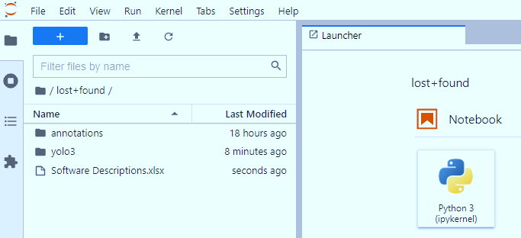

Find detail structure and file descriptions of each folder "annotations", "yolo3" in corresponding tabs

Files in annotations folder
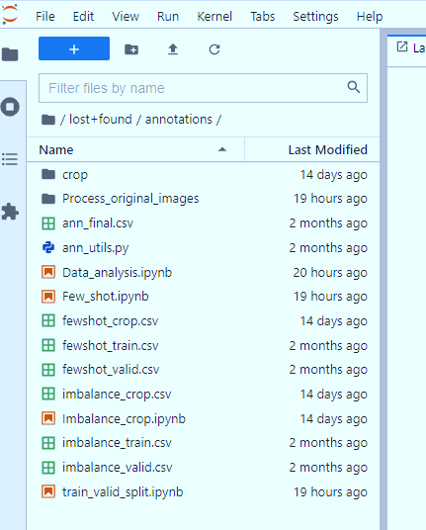
Descriptions of files in annotations
Files/Folder | Type | Purpose/Description
crop | Folder | Contain all cropped images from original training image
Process_original_images | Folder | Contain all cleaning work for data: - Checking available images(Available_images.ipynb) - Get coordinates of bounding boxes(Get_Coordinates_bbox.ipynb) Running these files take quite large amount of time then some csv files are generated for backup results then we do not have to run again
ann_final.csv | file | This is the final output from cleaning data process. It contain all valid information about the data: Images, annotations which will be use for our analysis process
train_valid_split.ipynb | file | Python file that read ann_final.csv and split it into train and validation set. Outputs of this work is: - imbalance_train.csv - imbalance_valid.csv These two files are copy to train and valid folder of Yolo3 respectively
imbalance_train.csv | file | A csv file contains all training data information(images and annotations) which will be use to train Yolo3 model to analyze imbalance effects
imbalance_valid.csv | file | A csv file contains all validation data information(images and annotations) which will be used to validate performance of Yolo3 for imbalance analysis(both cases: before and after augmentation training dataset)
imbalance_crop.ipynb | file | This python file generates cropped images from training data. Output of this work is a csv file imbalance_crop.csv which contain all old and new information for samples(old and new images, old and new annotations)
imbalance_crop.csv | file | A csv file contains all training data(images and annotations) after augmentation.
Few_shot.ipynb | file | This python file generates data to analyse few-shot learning. - It read imbalance_train.csv file and remove Wildebeest class then output fewshot_train.csv file(used to train Yolo3 for few-shot case) - It read imbalance_valid.csv file and remove Wildebeest class then output fewshot_valid.csv file(used to validate Yolo3 for few-shot case when no augmentation applied) - It read imbalance_crop.csv file and remove Wildebeest class then output fewshot_crop.csv file(used to train Yolo3 for few-shot case when augmentation applied)
fewshot_train.csv | file | This csv file contains all information of training data which used to train Yolo3 for few-shot test when image augmentation is not applied.
fewshot_crop.csv | file | This csv file contains all information of training data which used to train Yolo3 for few-shot test when image augmentation is applied.
fewshot_valid.csv | file | This csv file contains all information of training data which used to validate Yolo3 for few-shot test when both image augmentation is applied or not applied.
Data_analysis.ipynb | file | This file is used to generate data distribution charts among classes for different datasets: - imbalance_train.csv - imbalance_valid.csv - fewshot_train.csv - fewshot_valid.csv - fewshot_crop.csv - imbalance_crop.csv

Files in yolo3 folder
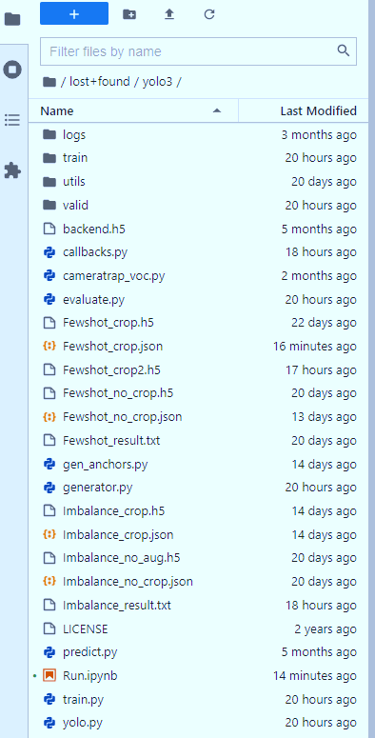
Descriptions of files in Yolo3
Files/Folder | Type | Purpose/Description
train | Folder | Contain all csv files for training Yolo3
valid | Folder | Contain all csv files for validating Yolo3
utils | Folder | Contain supporting files and functions for main modules
Imbalance_no_crop.json | file | Configuration file which provides parameters for training Yolo3 model to test imbalance effects on original data(no additional samples)
Imbalance_no_crop.h5 | file | Weights of Yolo3 model when training on original imbalance data
Imbalance_crop.json | file | Configuration file which provides parameters for training Yolo3 model to test imbalance effects when we add more samples(cropped images) to training data
Imbalance_crop.h5 | file | Weights of Yolo3 model when training on original imbalance data+generative data(cropped images)
Fewshot_no_crop.json | file | Configuration file which provides parameters for training Yolo3 model to test few-shot effects on original data(no additional samples)
Fewshot_no_crop.h5 |  | Weights of Yolo3 model when training on original few-shot data
Fewshot_crop.json | file | Configuration file which provides parameters for training Yolo3 model to test few-shot effects when we add more samples(cropped images) to training data
Fewshot_crop.h5 | file | Weights of Yolo3 model when training on original few-shot data+generative data(cropped images)
Imbalance_result.txt | file | Containing validating results of imbalance tests
Fewshot_result.txt | file | Containing validating results of few-shot tests
backend.h5 | file | Initial weights of Yolo3 model which assist training process complete faster
generator.py | file | Generate batches and manage internal image augmentation of Yolo3 model
train.py | file | Manage training process
yolo.py | file | contain yolo3 model
evaluate.py | file | Used to validate model on validation set
cameratrap_voc.py | file | The file is used to parse images and annotations
gen_anchors.py | file | The file is used to generate anchors for different training datasets
Run.ipynb | file | This file contain some commands to run train, evaluate, gen_anchors process
callbacks.py | file | support to perform actions at various stages of training like at the start or end of each epoch or batch…

How to experiment model
Step | Descriptions | Example
Step 1 | Put training data directory to configuration file. Other parameter can be filled out later.
Step 2 | Generate anchors: Run gen_anchors.py file to generate anchors for dataset How to run: From Jupyter notebook type following command and run: !python gen_anchors.py -c configuration_file.json After that copy generated anchors to fill in configuration file | !python gen_anchors.py -c Fewshot_crop.json | 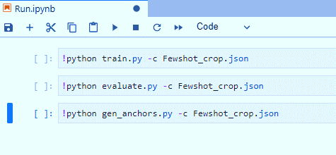
Step 3 | Training process: Fill in the rest parameters in configuration file then type in following command from Jupyter notebook !python train.py -c configuration_file.json | !python train.py -c Fewshot_crop.json
Step 4 | Evaluation process: Once we have trained weights, we want to validate its performance on validation dataset then type following command on Jupyter notebook: !python evaluate.py -c configuration_file.json | !python evaluate.py -c Fewshot_crop.json

Example of configuration file
